CARPORT
ISOTRA a.s.
Bílovecká 2411/1, 746 01 Opava |  |  |  |  |  |  |  |  | TEL.: +420 553 685 101 |  |  |  | FAX: +420 553 685 110 |  |  |  |  |  |  |  |  |  |  |  |  |  |  |  |  |  |  |  |  |  |  |  |  |  | www.isotra.cz
Order form ARTOSI CARPORT
CARPORT SHELTER ROOF

Order |  |  |  |  |  |  |  |  |  |  | Customer
Order No.: |  |  |  |  |  |  |  |  |  |  | Name:
 |  |  |  |  |  |  |  |  |  |  | VAT:
Order date. |  |  |  |  |  |  |  |  |  |  | Invoice address:

Telephone:
 |  |  |  |  |  |  |  |  |  |  | Delivery address:
Dispatch date.

Position | Quantity | Product code | Product type | Width (mm) | Length = ejection (mm) | Color of coated components | Color of roof | Roof slope | Access point | Auxiliary access point | Frame anchoring | Pole type | Pole A1. | Pole A1 - dimension "H" (mm) | Pole A1 - axis shift (mm) | Pole A1 - location of rain outfall | Pole A3. | Pole A3 - dimension "H" (mm) | Pole A3 - axis shift (mm) | Pole A3 - location of rain outfall | Pole C1. | Pole C1 - dimension "H" (mm) | Pole C1 - axis shift (mm) | Pole C1 - location of rain outfall | Pole C3. | Pole C3 - dimension "H" (mm) | Pole C3 - axis shift (mm) | Pole C3 - location of rain outfall | Pole (additional) A2. | Pole A2 - dimension "H" (mm) | Pole A2 - axis shift (mm) | Pole A2 - location of rain outfall | Pole (additional) C2 | Pole C2 - dimension "H" (mm) | Pole C2 - axis shift (mm) | Pole C2 - location of rain outfall | LED lighting | Lighting location | Packing
1 | 2 | 3 | 4 | 5 | 6 | 7 | 8 | 9 | 10 | 11 | 12 | 13 | 14 | 15 | 16 | 17 | 18 | 19 | 20 | 21 | 22 | 23 | 24 | 25 | 26 | 27 | 28 | 29 | 30 | 31 | 32 | 33 | 34 | 35 | 36 | 37 | 38 | 39 | 40

Note :

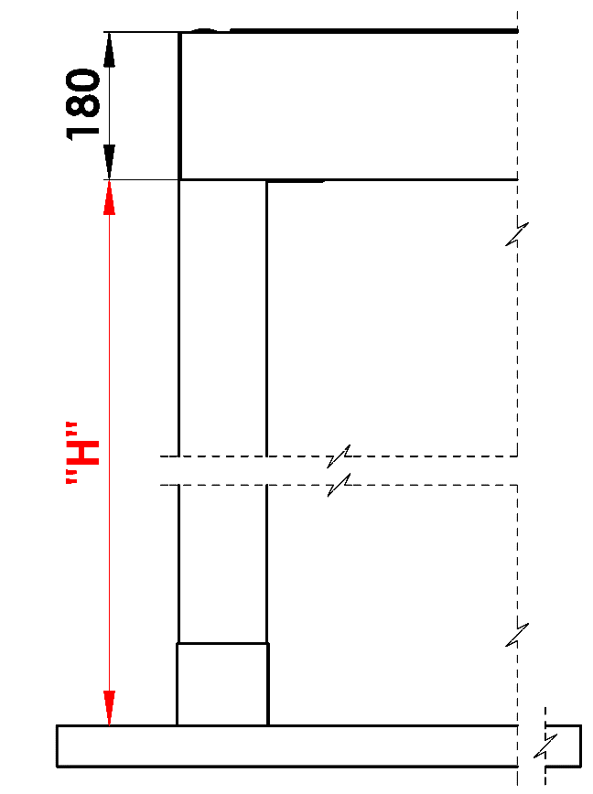
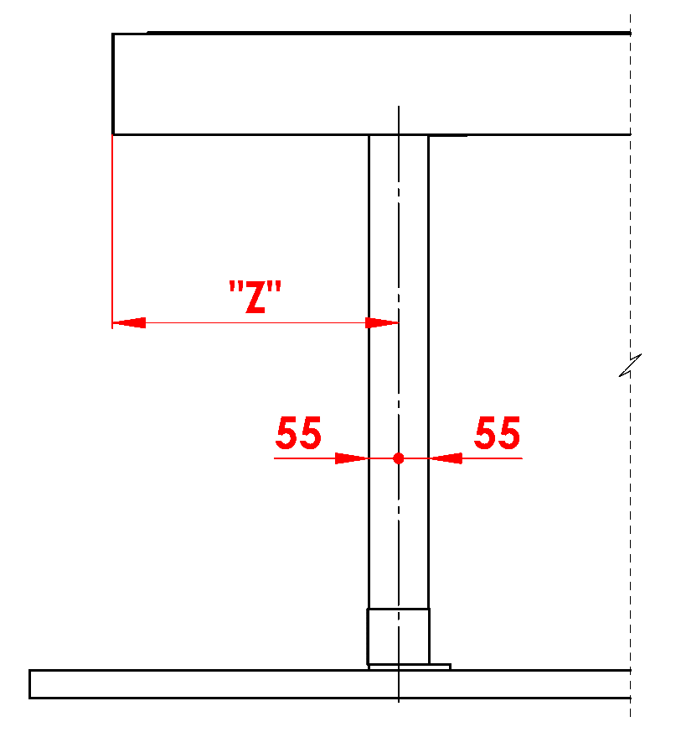
Note
16/ dimension "H" 500 - 3000mm |  |  |  |  |  |  | S - width |  |  |  |  |  |  |  |  |  | Passage heigt "H" |  |  |  |  |  |  | Move the pole along the length
17/ axis shift = 0mm; or in dimension 255 - 1055mm length shift, in dimension 255 - 555mm width shift |  |  |  |  |  |  | L - length

Recommended number of rain outfall:
to 12m² pergola area - 1pc rain outfall
over 12m² pergola area - 2pcs rain outfalls
over 24m² pergola area- we recommend 3pcs rain out falls

Note
Overlay profiles are ordered separately.
For technological reasons, it is not possible to repaint any profile.

 |  |  |  |  |  |  |  |  |  |  |  |  |  |  |  |  | Location of rain outfall in the pole

General business terms and Complaint Procedure terms are expressly valid for mutual business between Isotra a.s. and the customer. All terms are available here: |  |  |  |  |  |  |  |  |  |  |  |  |  |  |  | http://www.isotra.com/complaint-procedure
Valid from: 01.11.2025. |  |  |  |  |  |  |  |  |  |  |  |  |  |  |  | http://www.isotra.com/general-business-terms

